datasheets
28EX | http://www.flukepartnerportal.com/efulfillment/11573-eng | eng, spa, fre, ger, ita
87V | http://www.flukepartnerportal.com/efulfillment/10966-eng | no tur, rom, cze
88V | not found
114 | http://www.flukepartnerportal.com/efulfillment/11156-eng | english only
115 | http://www.flukepartnerportal.com/efulfillment/11157-eng | english only
116 | http://www.flukepartnerportal.com/efulfillment/11158-eng | english only
117 | http://www.flukepartnerportal.com/efulfillment/11159-eng | english only
170 | http://www.flukepartnerportal.com/efulfillment/10824-eng | english only
179
279FC | http://www.flukepartnerportal.com/efulfillment/6007039b-EN | all
287 | http://www.flukepartnerportal.com/efulfillment/13031-eng | all
289 | http://www.flukepartnerportal.com/efulfillment/13032-eng | all
789 | http://www.flukepartnerportal.com/efulfillment/13042-eng | all
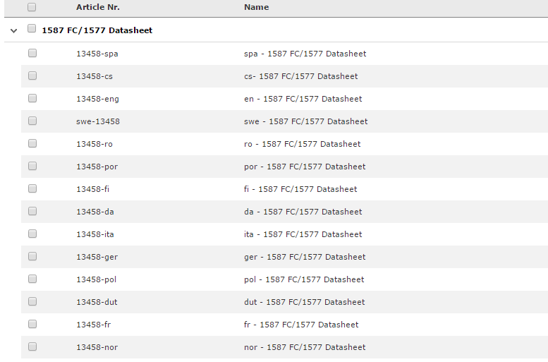
1587 | http://www.flukepartnerportal.com/efulfillment/13458-eng | all ->
3000FC | http://www.flukepartnerportal.com/efulfillment/13041-eng | all
8846 | kan niet echt een datasheet vinden

